1. Title Page
Project Name: Instacart Grocery Basket Analysis
Date: April , 2023
Analyst Name: Shirin Younesian

Contents:
Population Flow
Consistency checks
Wrangling steps
Column derivations
Visualizations
Recommendations

Citation : “The Instacart Online Grocery Shopping Dataset 2017”, Accessed from https://www.instacart.com/datasets/grocery-shopping-2017

2. Population Flow
Title page

Population flow

Exclusion flag
Condition: max_order < 5
Obervations to be removed: Based on the regulation of "compliance with customer privacy", I remove the customer`s first name and last name from Dataset.
Final total count of order_products_all: 30964564

Orders_products_combined
Orders_products_merged
Orders_products_all

Total:
32404859
Total:
32434489
Total:
30964564

1.) The grey boxes in the first row of the population flow represent the original data sets as they were when you downloaded them. In the Total fields you need to add the count of the rows when you imported the data set into Jupyter.
2.) The second row of boxes (coloured) represents the data sets after you manipulated them, e.g., removed missing values and duplicates. In the Total fields you need to add the count of the rows after conducting these operations. This offers a visual oveview of how the data flows throughout the data consistency checks.
3.) The third row, where also the arrows are coloured, represents the merges you performed between the datasets. In the Total fields you need to add the count of the rows in the merged datasets, so that you end up with the final dataset (in the red box). Keep in mind the final dataset should be without exclusions (based on the exclusion flag).

3. Consistency checks
 |  |  |  | Title page
Consistency checks

Dataset | Missing values | Missing values treatment | Duplicates
orders | Column:days_since_prior_order, Count: 206209 | There are 206209 null rows in 'days_since_prior_order' column, but in fact they are not missing values. They represent the first purchase order for each customer | No
products | There were 16 null vales in product_name column | Create a new data frame from Original Products.csv file without 'null' values | There were 5 duplicate rows
orders_products_prior | No | No | No
customers | There are 11259 null values in first_name column | Based on the regulation of "compliance with customer privacy", I removed the first name and last name columns from the dataset. | No

4. Wrangling steps
 |  |  |  |  | Title page
Wrangling steps

Columns dropped | Columns renamed | Columns' type changed | Comment/Reason | Dataset
df_ords ['eval_set'] |  |  | We don’t need that column in this project | Orders
 | df_ords['order_dow'] to df_ords[ 'order_day_of_week'] |  | For a better understanding of the content of the column
 |  | ['order_id'] from' int64' to 'string' | We do not need the descriptive statistical calculations of this field
 |  | ['user_id'] from' int64' to 'string' | We do not need the descriptive statistical calculations of this field
 | df_customers['First Name'] to df_customers['first_name'] |  | Renaming based on naming conventions | Customers
 | df_customers['Surnam'] to df_customers['last_name'] |  | Renaming based on naming conventions
 | df_customers['Gender'] to df_customers['gender'] |  | Renaming based on naming conventions
 | df_customers['STATE'] to df_customers['state'] |  | Renaming based on naming conventions
 | df_customers['Age'] to df_customers['age'] |  | Renaming based on naming conventions
 | df_customers['n_dependants'] to df_customers['num_dependants'] |  | Renaming based on naming conventions
 |  | ['user_id'] from' int64' to 'string' | We do not need the descriptive statistical calculations of this field
 |  | ['first_name'] from mixed data type to string | To prevent disruption and confusion during the execution of functions
 |  |  | Transposed Dataset | Department

5. Column derivations
 |  |  |  | Title page

Column derivations and aggregations

In this tab you should add tables below that the frequences of flags/label variables that you produced after deriving them. NB: don't do this for continuous variables, only for flags.
Dataset | New column | Column/s it was derived from | Conditions
orders_products_merged | price_range_loc | prices | 'prices' > 15 are known as 'High-range product' 'prices' > 5 and 'prices' <= 15 are known as 'Mid-range product' 'prices' <= 5 are known as 'Low-range product'
 | busiest_day | order_day_of_week | Day with ID 0 is known as 'Busiest day' Day with ID 4 is known as 'Least busy' Days with ID 1,2,3,5, and 6 are known as 'Regularly busy'
 | busiest_days | order_day_of_week | Days with ID 0 and 1 are known as 'Busiest day' Days with ID 3 and 4 are known as 'Slowest day' Days with ID 2,5 and 6 are known as 'Regularly busy'
 | busiest_period_of_day | order_hour_of_day | Hours in array a_1 = [10,11,14,15,13,12,16,9,17,8,18,19] are known as 'Most orders' . Hours in array a_2 = [20,7,21,22,23,6,0,1] are known as 'Average orders'. Hours in array a_3 = [5,2,4,3] are known as 'Fewest orders'.
 | loyalty_flag | max_order | For each customer: If the maximum number of orders Greater than 40 is known as 'Loyal customer' Less than or equal with 40 and greater than 10 is known as 'Regular customer' Less than or equal with 10 is known as 'New customer'
 | user_spender_flag | user_mean_payment | For each customer: If the average payments Greater than 10$ is known as 'High spender' Less than or equal with 10$ is known as 'Low spender'
 | order_frequency_flag | user_median_order | For each customer: If the Median of the time interval between two consecutive orders Greater than 20 is known as 'Non-frequent customer' Less than or equal with 20 and greater than 10 is known as 'Regular customer' Less than or equal with 10 is known as 'Frequent customer'
customer_profiling_df | region | state | Grouping states into four regions ( 'Northeast' ,'Midwest', 'South', 'West')
 | age_group_flag | age | Grouping customers based on age ('Young' ,'Middle aged' ,'Senior')
 | income_group_flag | income | Grouping customers based on income 'Low' ,'Middle' ,'High')
 | depen_group_flag | num_of_dependants | Grouping customers based on number of dependants ('small' , 'Mid' , 'Large')
 | department | department_id | Adding department name column to data frame
 | cust_babies |  | If order is from "babeis" department then "Yes" else "No"
 | cust_bakery |  | If order is from "bakery" department then "Yes" else "No"
 | cust_frozen |  | If order is from "frozen" department then "Yes" else "No"

6. Visualizations
 |  |  |  |  |  | Title page

Visualisations

In this tab you should include all the visualtions from Exercises 4.9 and 4.10, alongside the questions from the project brief that they answer. Include any commentary on the relationship between different variables.

The sales team needs to know what the busiest days of the week and hours of the day are (i.e., the days and times with the most orders) in order to schedule ads at times when there are fewer orders
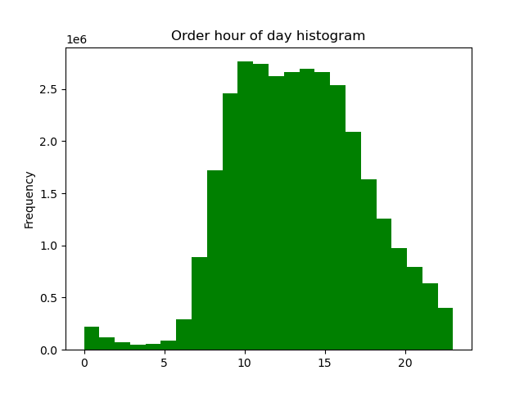
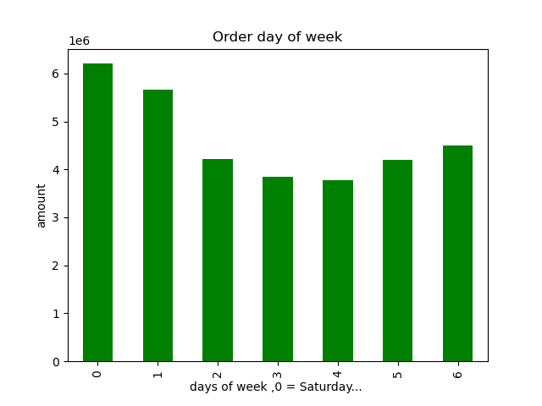

Saturdays and Sundays are the busiest days and 10 and 11 hours are the busiest hours for registering orders.

They also want to know whether there are particular times of the day when people spend the most money, as this might inform the type of products they advertise at these times.

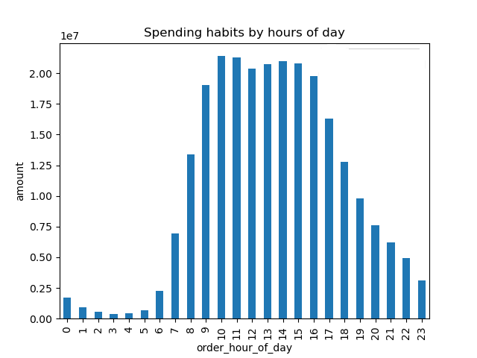
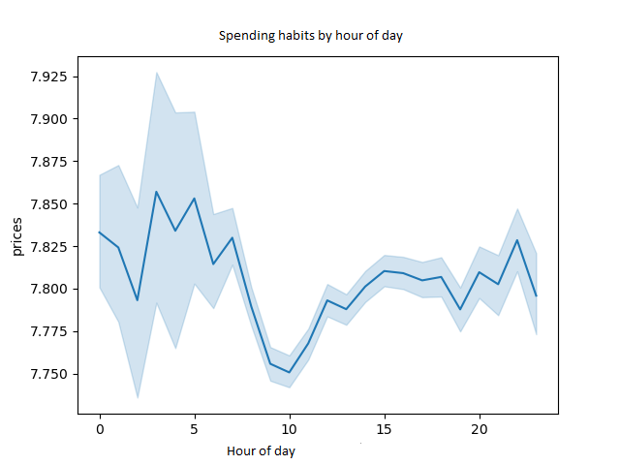

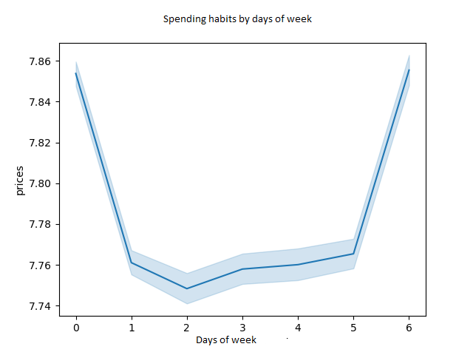

The highest sales (prices) occur on Saturdays and Mondays, and during the day, the highest sales are at 10 and 11 am.

Instacart has a lot of products with different price tags. Marketing and sales want to use simpler price range groupings to help direct their efforts.
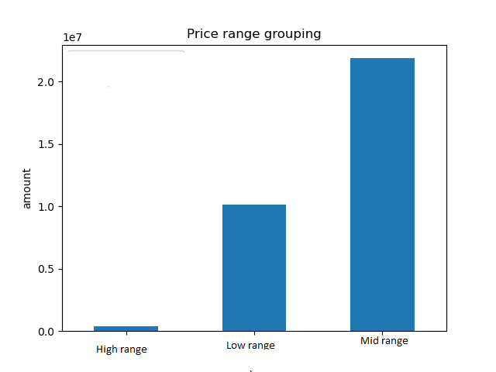

 | price_range | Amount
 | High-range product | 412551
 | Low-range product | 10126321
 | Mid-range product | 21860860

 | 'prices' > 15 are known as 'High-range product'
 | 'prices' > 5 and 'prices' <= 15 are known as 'Mid-range product'
 | 'prices' <= 5 are known as 'Low-range product'

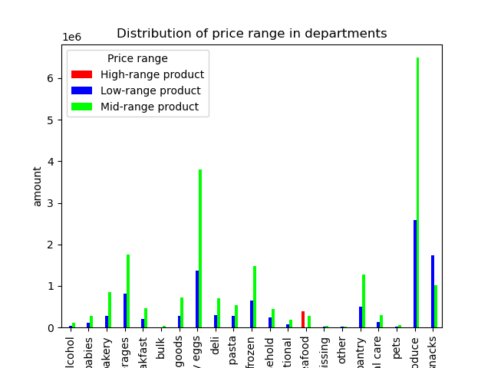

The products with the middle price have the largest number among the products and in the departments.

Are there certain types of products that are more popular than others? The marketingand sales teams want to know which departments have the highest frequency of productorders.

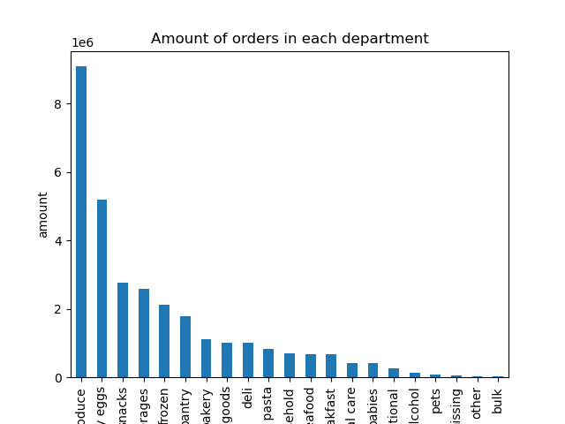
 | Department | Order
 | produce | 9079273
 | dairy eggs | 5177182
 | snacks | 2766406
 | beverages | 2571901
 | frozen | 2121731
 | pantry | 1782705
 | bakery | 1120828
 | canned goods | 1012074
 | deli | 1003834
 | dry goods pasta | 822136
 | household | 699857
 | meat seafood | 674781
 | breakfast | 670850
 | personal care | 424306
 | babies | 410392
 | international | 255991
 | alcohol | 144627
 | pets | 93060
 | missing | 64768
 | other | 34411
 | bulk | 33451

The products of the produce department are the most popular and the products of the bulk department are the least popular among customers.Dairy eggs and snacks have the second and third ranking.

The marketing and sales teams are particularly interested in the different types of customers in their system and how their ordering behaviors differ

What’s the distribution among users in regards to their brand loyalty (i.e., how often do they return to Instacart)?

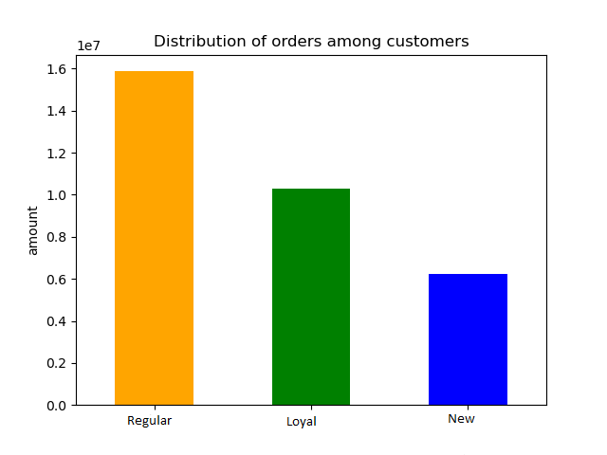

 | Loyalty | Count
 | Loyal customer | 10284093
 | New customer | 4803695
 | Regular customer | 15876776

 | For each customer: If the maximum number of orders Greater than 40 is known as 'Loyal customer' Less than or equal with 40 and greater than 10 is known as 'Regular customer' Less than or equal with 10 is known as 'New customer'

The highest frequency is observed in the Regular group of customers. Customers who have registered more than 10 and less than 40 purchase orders.

Are there differences in ordering habits based on a customer’s loyalty status?

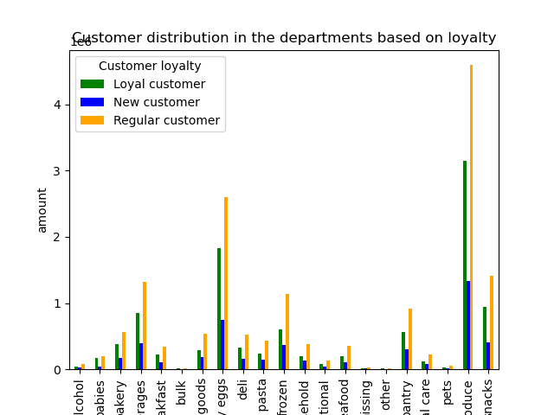

All customer groups based on loyalty are seen in all departments and it seems that this factor will not determine a special strategy in the future.

Are there differences in ordering habits based on a customer’s region?

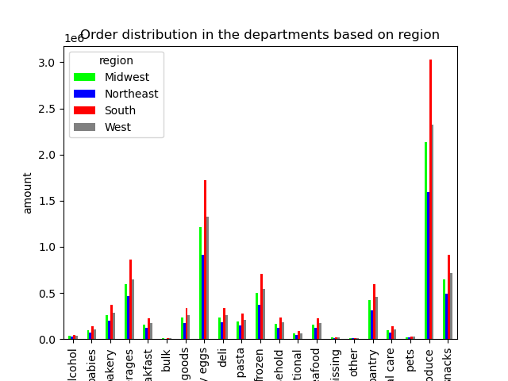
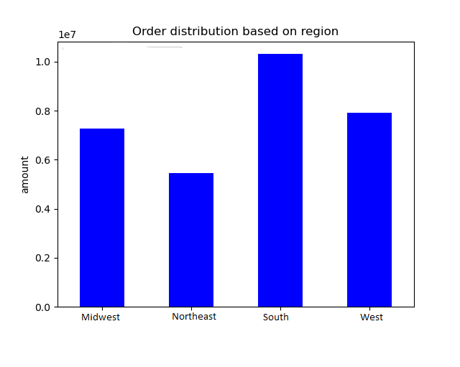

South and West regions have the highest order in total and this rank is also observed in each department - order.

Is there a connection between age and family status in terms of ordering habits?

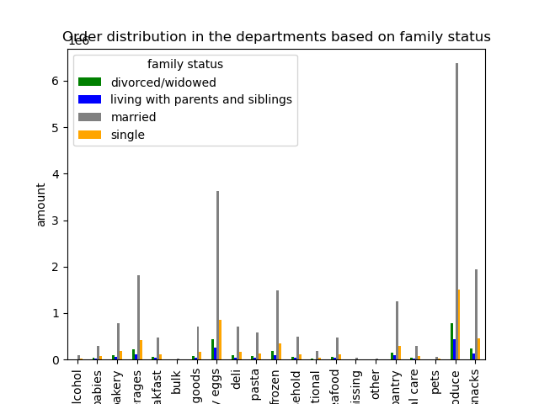

 | _status | divorced/widowed | living with parents and siblings | married | single
 | age_group_flag
 | Middle aged | 0 | 0 | 7646158 | 2564040
 | Senior | 2645271 | 0 | 7929233 | 0
 | Young | 0 | 1481172 | 6168320 | 2530370

Married customers who exist in all age groups have the highest share of orders in all departments. After them, single people take the next share of the order.

What different classifications does the demographic information suggest? Age? Income? Certain types of goods? Family status?

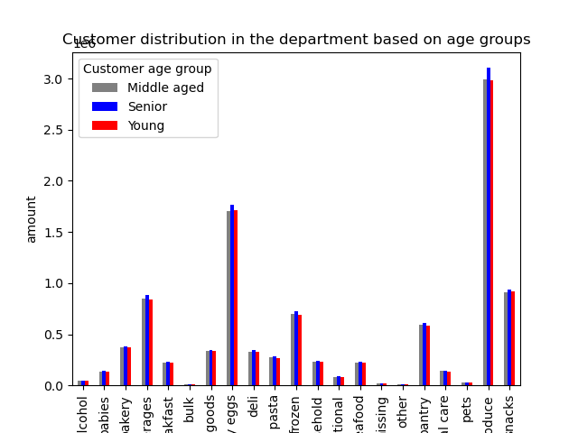
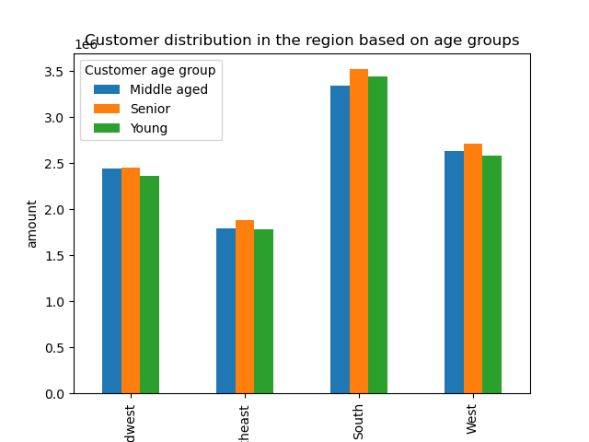

 | For each customer: Age less than 39 is known as 'Young' Greater than or equal with 39 andless than 60 is known as Middle Aged' Greater than or equal with 60 is known as 'Senior'

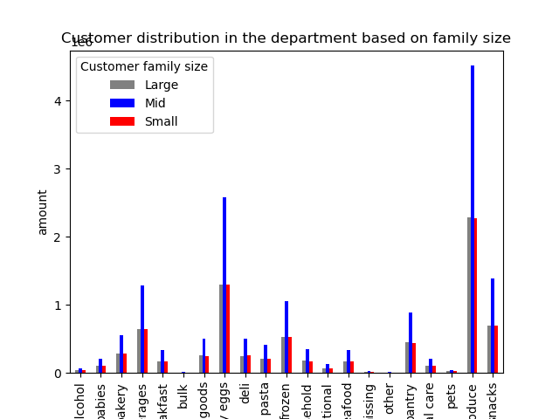
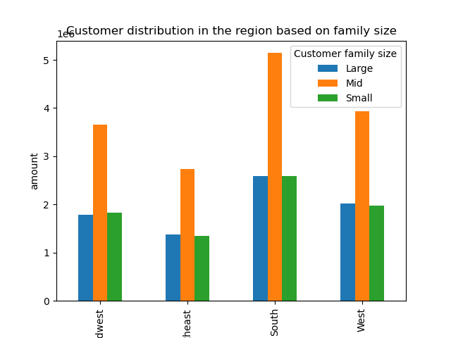

 | For each customer: Number of dependant = 0 then family size is 'Small' Number of dependant >= 1 and <3 then family size is 'Mid' Number of dependant >= 3 then family size is 'Large'

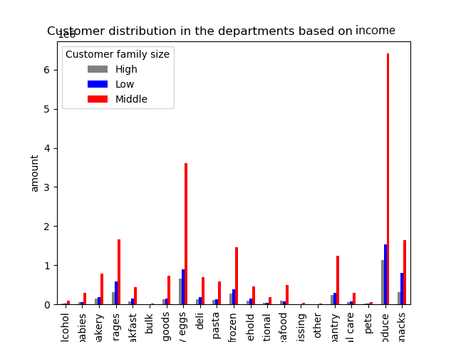
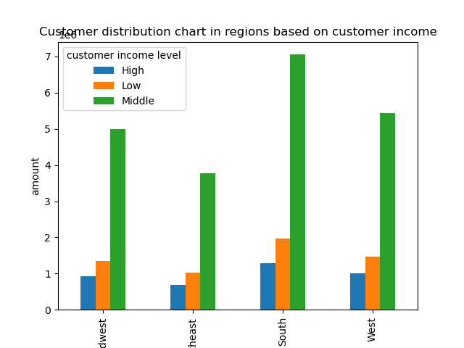

 | For each customer: Income < 60,000 then income level is 'Low' Income >= 60,000 and < 150,000 then income level is ' Middle' Income>= 150,000then income level is 'High'

Based on the three characteristics of the customers' age, income, and family size, as can be seen in the above graphs, the consumption pattern is almost similar. As can be seen, in all the above three graphs, Produce, Dairy Eggs, and Snacks have the highest order and the Bulk department has the lowest order. On the other hand, the study of demographic information based on the region also shows that the south and west regions have the highest order registration rate and the northeast region shows the lowest order rate.

What different classifications does the demographic information suggest? Age? Income? Certain types of goods? Family status?

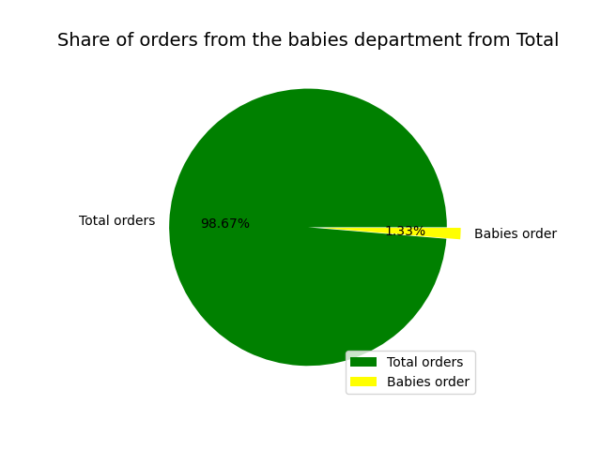
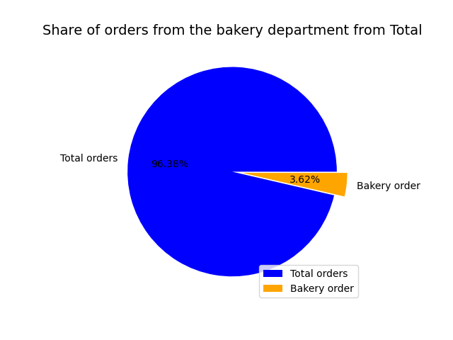
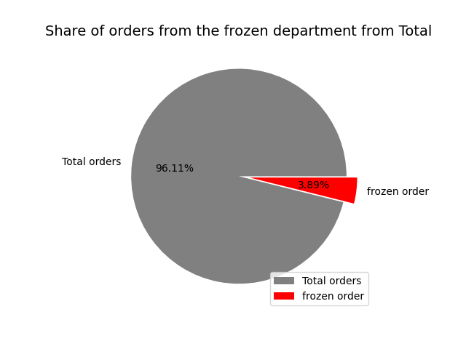

Although departments such as pet, alcohol, and frozen have a small share of customer orders, they still have their special customers and orders, there are always customers who need such products.

7. Recommendations
 | Title page

Recommendations

In this tab you should include any recommendations you would made to Instcart in terms of their marketing strategy based on the questions posed in the brief. Every key question has been covered in the Tasks of the Exercises - here you need to add an item - a visualisation or table/crosstable that is showing the answer in the data, acompanied by a comment from you. Please, list the questions below and add the answer underneath.

The sales team needs to know what the busiest days of the week and hours of the day are (i.e., the days and times with the most orders) in order to schedule ads at times when there are fewer orders

Saturdays and Sundays are the busiest days and 10 and 11 hours are the busiest hours for registering orders.

They also want to know whether there are particular times of the day when people spend the most money, as this might inform the type of products they advertise at these times.

The highest sales (prices) occur on Saturdays and Mondays, and during the day, the highest sales are at 10 and 11 am.

Instacart has a lot of products with different price tags. Marketing and sales want to use simpler price range groupings to help direct their efforts.

The products with the middle price have the largest number among the products and in the departments.

Are there certain types of products that are more popular than others? The marketingand sales teams want to know which departments have the highest frequency of productorders.

The products of the produce department are the most popular and the products of the bulk department are the least popular among customers.Dairy eggs and snacks have the second and third ranking.

The marketing and sales teams are particularly interested in the different types of customers in their system and how their ordering behaviors differ
What’s the distribution among users in regards to their brand loyalty (i.e., how often do they return to Instacart)?

The highest frequency is observed in the Regular group of customers. Customers who have registered more than 10 and less than 40 purchase orders.

Are there differences in ordering habits based on a customer’s loyalty status?

All customer groups based on loyalty are seen in all departments and it seems that this factor will not determine a special strategy in the future.

Are there differences in ordering habits based on a customer’s region?

South and West regions have the highest order in total and this rank is also observed in each department - order.

Is there a connection between age and family status in terms of ordering habits?

Married customers who exist in all age groups have the highest share of orders in all departments. After them, single people take the next share of the order.

What different classifications does the demographic information suggest? Age? Income? Certain types of goods? Family status?

Based on the three characteristics of the customers' age, income, and family size, as can be seen in the above graphs, the consumption pattern is almost similar. As can be seen, in all the above three graphs, Produce, Dairy Eggs, and Snacks have the highest order and the Bulk department has the lowest order. On the other hand, the study of demographic information based on the region also shows that the south and west regions have the highest order registration rate and the northeast region shows the lowest order rate.

What different classifications does the demographic information suggest? Age? Income? Certain types of goods? Family status?

Although departments such as pet, alcohol, and frozen have a small share of customer orders, they still have their special customers and orders, there are always customers who need such products.

Recommendations:
In this project, the impact of time, geographic region, customer characteristics, demographic information, goods, and price on the number of orders was analyzed. Based on the extracted data, the largest number of orders are registered at the weekends, but most payments are registered on Saturdays and Mondays. Peak order registration hours on weekdays are between 9 am and 4 pm. It is suggested to provide a suitable communication platform and infrastructure, to register orders and easy payment for the satisfaction of customers. From the point of view of the geographical regions, the southern region and then the western region have the highest number of order registrations. Therefore, more warehouses can be considered for these areas so that orders can be received faster. Customers with average income and dependents have the highest number of purchases and orders. Usually, these customers are middle-aged, followed by single customers. It is suggested that the taste of these groups should be given more attention. On the other hand, incentive policies can be considered for them. The highest amount of orders are recorded in the produce, dairy eggs, and snacks departments, but the significant point is that there are demands for other products as well as pet, or bulk. It is suggested that different tastes and demands should be considered, and the company should maintain the diversity of its products or increase them. And finally, the price, it was found that the products with average price are the most welcomed and ordered by the customers. However, customers with low-income levels should be kept by offering more affordable products, and wealthy customers by offering special and luxury products.

